Аркуш1
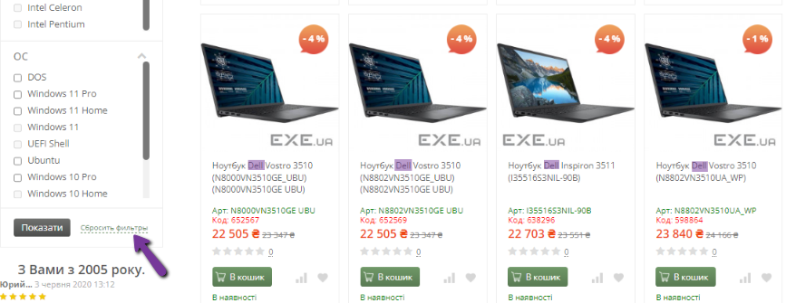
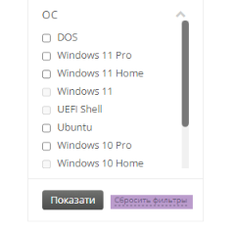
Bug reports

ID | 11111 | 11112 | 11113 | 11114 | 11115
Summary | The language does not change on the filter bar on product pages | The Reset filters button at the bottom of the filter panel on product pages does not work | Some text contains a yellow background on the Warranty and Service page | Some text shifts to the right on the PC Build page when the page scale is set to 100%-125% | There are no the buttons to increase and decrease the number of products in the shopping cart
Pre-conditions | Open the website https://exe.ua | Open the website https://exe.ua | Open the website https://exe.ua | Open the website https://exe.ua | Open the website https://exe.ua
Steps | 1. In the product catalogue, move the cursor over the Computers button and go to the Laptops product page | 1. In the product catalogue, hover the cursor over the Computers button and go to the Laptops product page | 1. Click on the Warranty and Service link at the top of the home page and go to the Warranty and Service page | 1. Click on the PC Assembly link at the top of the main page to go to the Warranty and Service page | 1. In the product catalogue, hover the cursor over the Computers button and go to the Laptops product page
 | 2. Check the box next to Dell in the filter panel | 2. Check the box next to Dell in the filter panel |  | 2. Set the page scale from 100% to 125% | 2. Add the first laptop from the list displayed on the Laptops page to the Cart by clicking the green Add to Cart button
 | 3. Click the Show button at the bottom of the filter pane. Actual: Products are filtered. | 3. Click the Show button at the bottom of the filter pane. Actual: Products are filtered. |  |  | 3. Go to the Cart by clicking on the Cart button at the top or bottom of the page
 | 4. Click on the Eng button at the top of the page | 4. Click on the Reset filters button
 | 5. Click on the Ukr button at the top of the page
Expected result | The page should be translated into English or Ukrainian | The filter should be reset. The page should display products from the general list of Laptops products | All text on the Warranty and Service page should be on a white background | On the PC assembly page, the text "Our PC assembly specialists will take into account the purpose..." should be placed in the middle of the page horizontally | On the Cart page, next to the text box with the number of added items, there are buttons to increase and decrease the number of items in the Cart
Actual result | Changing the localisation does not work. The name of the Reset filters button is not translated | The Reset filters button does not work. The page displays filtered products by manufacturer Dell | Some text on the Warranty and Service page has the yellow background | On the PC assembly page, the text "Our PC assembly specialists will take into account the purpose..." shifts to the right when the page scale is set to 100%-125% | On the Cart page, next to the text box with the number of added items, there are no buttons to increase or decrease the number of items in the Cart
Post-conditions
Environment | Version 115.0.5790.171 (Official build) (64-bit version), all browsers | Version 115.0.5790.171 (Official build) (64-bit version), all browsers | Version 115.0.5790.171 (Official build) (64-bit version), all browsers | Version 115.0.5790.171 (Official build) (64-bit version), all browsers | Version 115.0.5790.171 (Official build) (64-bit version), all browsers
Severity | Low | Medium | Low | Low | Low
Priority | Low | Low | Low | Low | Low
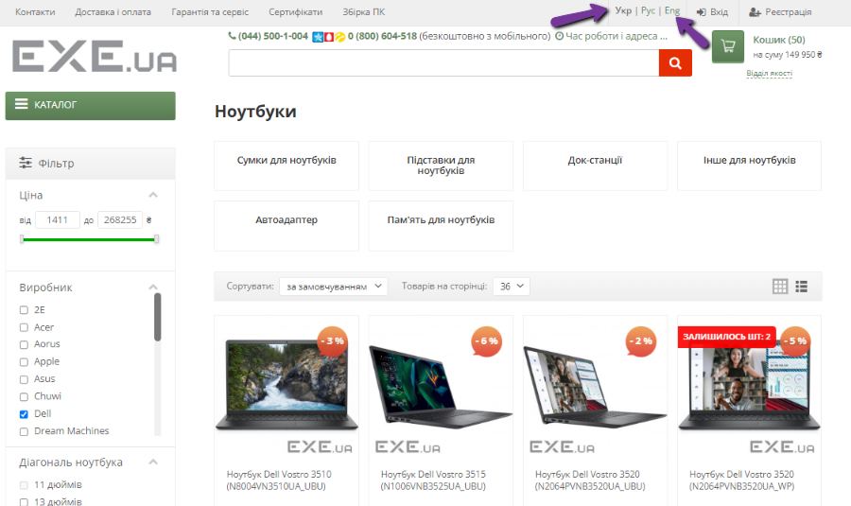
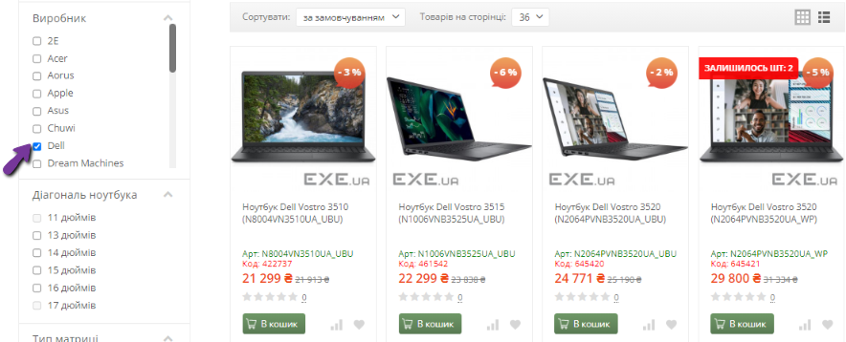
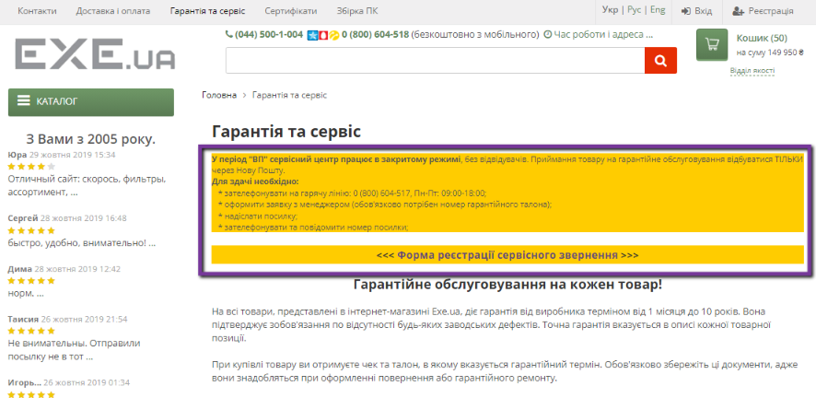
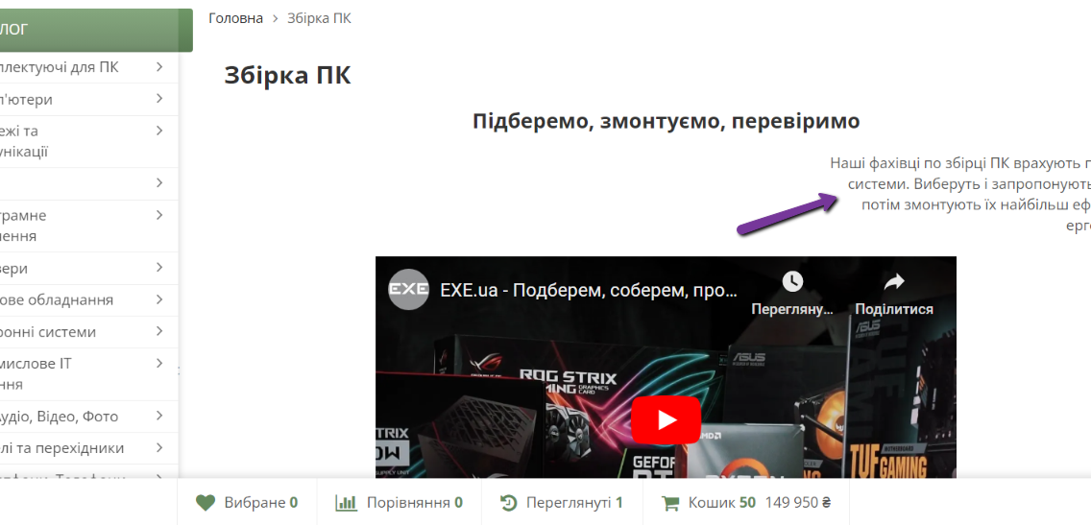

Type of bug | Localization | Functional | User Interface | Alighment | Usability
Attachment

